Charts
Yearly Debt Percentage Increase
 | Yearly Debt Percentage Increase for each year | Average of Debt Held by the Public | Average of Intragovernmental Holdings
2005
2006 | 7.18% | 4.87% | 8.64%
2007 | 5.87% | 3.90% | 8.52%
2008 | 8.92% | 10.36% | 7.05%
2009 | 17.99% | 28.44% | 4.07%
2010 | 14.68% | 20.86% | 4.52%
2011 | 10.42% | 14.51% | 2.65%
2012 | 9.16% | 12.14% | 2.85%
2013 | 6.10% | 8.06% | 1.58%
2014 | 5.00% | 5.73% | 3.23%
2015 | 3.43% | 4.15% | 1.64%
2016 | 6.27% | 6.44% | 5.82%
2017 | 3.38% | 3.55% | 2.91%
2018 | 5.96% | 6.99% | 3.25%
2019 | 5.20% | 6.12% | 2.73%
2020 | 14.75% | 19.47% | 1.56%
2021 | 10.66% | 12.84% | 3.47%
2022 | 7.93% | 8.11% | 7.29%
2023 | 2.67% | 2.48% | 3.35%
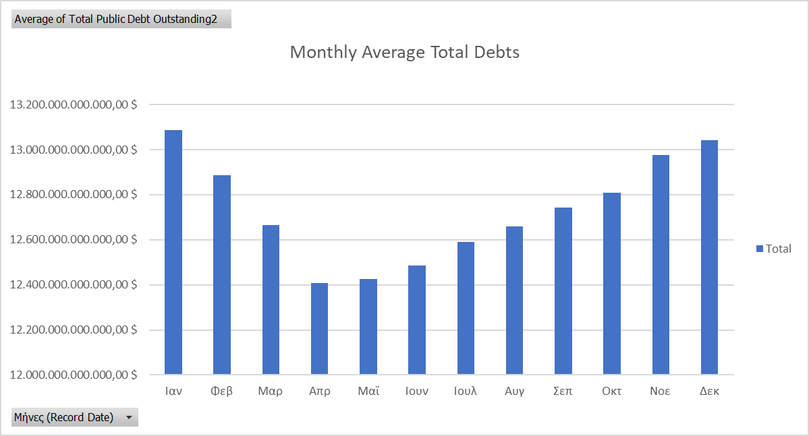
Projected Public Held Debt
2005 | 4,764,350,000,000.00 €
2006 | 4,969,450,000,000.00 €
2007 | 5,183,280,000,000.00 €
2008 | 6,435,080,000,000.00 €
2009 | 7,811,010,000,000.00 €
2010 | 9,390,480,000,000.00 €
2011 | 10,447,700,000,000.00 €
2012 | 11,581,500,000,000.00 €
2013 | 12,355,400,000,000.00 €
2014 | 13,024,000,000,000.00 €
2015 | 13,672,500,000,000.00 €
2016 | 14,443,700,000,000.00 €
2017 | 14,918,700,000,000.00 €
2018 | 16,101,700,000,000.00 €
2019 | 17,170,400,000,000.00 €
2020 | 21,632,400,000,000.00 €
2021 | 23,143,700,000,000.00 €
2022 | 24,553,500,000,000.00 €
2023 | 25,019,521,932,560.01 €
2024 | 26,135,744,000,750.13 €
2025 | 27,251,966,068,940.25 €
2026 | 28,368,188,137,130.38 €
2027 | 29,484,410,205,320.50 €

Summary/Conclusions: For the Total Public Debt Outstanding, we see large spikes between 2008-2012 and 2020, likely caused by the financial crisis and the pandemic.

